04 Analytics
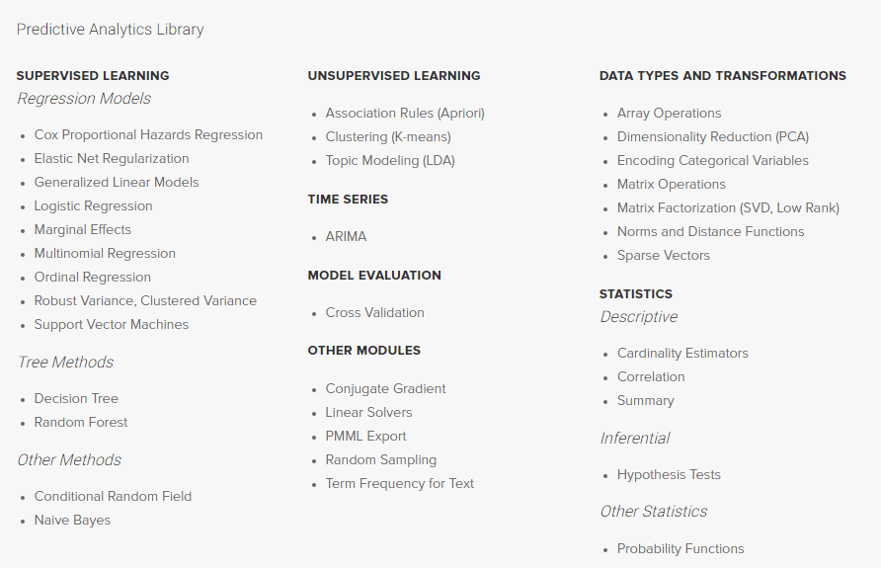
Madlib | Scalable in-database algorithms for machine learning
 | Greenplum, PostgreSQL and the Apache™ HAWQ® (Hadoop Native SQL platform)
 | Massively Parallel Machine Learning

